IL TRM Calcs
 |  |  |  |  |  | Indicates adjusted standardized inputs to MN data in order to compare TRM Calcs
Residential HVAC - Ground Source Heat Pump Systems |  |  |  |  |  | Indicates standardized inputs from TRM
 |  |  |  |  |  | Indicates cells modified or added with values from Information Received During Install
 | MEASURE OVERVIEW |  |  |  |  | Indicates Utility Modified/Specific Inputs
 | Description: | This measure characterizes the installation of a Ground Source Heat Pump under the following scenarios: a) New Construction: a. The installation of a new residential sized Ground Source Heat Pump system meeting ENERGY STAR efficiency standards presented below in a new home. b. Note the baseline in this case should be determined via EM&V and the algorithms are provided to allow savings to be calculated from any baseline condition. b) Time of Sale: a. The planned installation of a new residential sized Ground Source Heat Pump system meeting ENERGY STAR efficiency standards presented below to replace an existing system(s) that does not meet the criteria for early replacement described in section c below. b. Note the baseline in this case is an equivalent replacement system to that which exists currently in the home. The calculation of savings is dependent on whether an incentive for the installation has been provided by both a gas and electric utility, just an electric utility or just a gas utility. c. Additional DHW savings are calculated based upon the fuel and efficiency of the existing unit. c) Early Replacement/Retrofit: a. The early removal of functioning either electric or gas space heating and/or cooling systems from service, prior to the natural end of life, and replacement with a new high efficiency Ground Source Heat Pump system. b. Note the baseline in this case is the existing equipment being replaced. The calculation of savings is dependent on whether an incentive for the installation has been provided by both a gas and electric utility, just an electric utility or just a gas utility. c. Additional DHW savings are calculated based upon the fuel and efficiency of the existing unit. d. The definitions for when an installation can be c

 | Actions: | New Construction or Time of Sale/Replacement
 |  |  |  | Example
 | Algorithms: | Electric Energy Savings
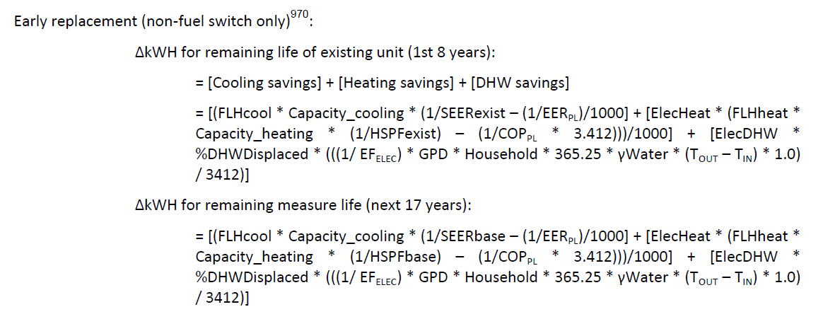
 |  |  |  | 1st 8 Years
 |  |  |  | 1440.1404034 | kWh Cooling Savings
 |  |  |  | 21445.098858 | kWh Heating Savings
 |  |  |  | 0 | kWh hot water savings (Calculation Not Used)
 |  |  |  | 22885.239261 | Total Savings

 |  |  |  | Next 17 Years
 |  |  |  | 576.45435685 | kWh Cooling Savings
 |  |  |  | 5124.8380751 | kWh Heating Savings
 |  |  |  | 0 | kWh hot water savings (Calculation Not Used)
 |  |  |  | 5701.2924319 | Total Savings
 |  | Savings, Existing Electric Resistance and Split System A/C:
 |  | Unit kWh Savings per Year: Based on algorithm above |  | 22885.239261 | kWh savings for years 1 through 8
 |  |  |  | 5701.29 | kWh savings for next 17 years
 |  | Unit peak kW Savings |  | 2.83 | kW savings for years 1 through 8
 |  |  |  | 1.16 | kW savings for next 17 years

 | Where: |  |  | Value
 |  | Capacity_cooling= | Cooling Capacity of GSHP (Btu/hr) = Actual (where 1 ton = 12,000 Btu/hr) | 49,000 | Btu/hr
 |  | SEERbase = | SEER Efficinecy of new replacement baseline unit = 14 for ASHP | 14.00
 |  | SEERexist = | SEER Efficinecy of existing cooling unit = acutal if know or ASHP at 9.12, Central AC at 8.6, or No central at 13 | 8.60
 |  | EERPL = | Part load EER of GSHP = Actual Installed | 24.1
 |  | ElecHeat= | 1 if existing builing is electrically heated or 0 if existing building not electrically heated | 1.0
 |  | FLHheat = | Equivalent Full Load Heating Hours | 2,494
 |  | FLHcool = | Full Load Cooling Hours | 393
 |  | Capacity_heat= | Heating capacity of GSHP = Actual (where 1 ton = 12,000 Btu/hr) | 38200 | Btu/hr
 |  | HSPFbase= | Heating system Performance Factor (HSPF) of new replacement of new replacement baseline heating system = 8.2 | 8.2
 |  | HSPFexist= | Heating system Performance Factor (HSPF) of existing heating system = acutal if known or default of ASHP at 5.44 and Electric Resistance at 3.41 | 3.41
 |  | COPPL = | Part load Coeffecient of Performance (COP) of efficient unit = Actual Installed | 4.3
 |  | 3.412 = | Constant to convert the COP of the unit to the HSPF | 3.412
 |  | EERbase= | EER Efficiency of new replacement unit = ASHP at 11.8, Central AC at 11, or No Central AC at 11 | 11.800
 |  | EERexist= | EER of existing cooling unit = Acutal if known or ASHP at 8.55, Central AC at 8.15, or No central AC at 11 | 8.150
 |  | EERFL = | Full load EER of GSHP = Actual Installed | 17.1
 |  | CF= | Summer system peak Coincidence Factor for cooling = 97% | 90.0%

BHE Calcs
 |  |  |  |  |  | Indicates adjusted standardized inputs to MN data in order to compare TRM Calcs
Residential HVAC - Ground Source Heat Pump Systems |  |  |  |  |  | Indicates standardized inputs from TRM
 |  |  |  |  |  | Indicates cells modified or added with values from Information Received During Install
 | MEASURE OVERVIEW |  |  |  |  | Indicates Utility Modified/Specific Inputs
 | Description: | This measure characterizes the installation of a Ground Source Heat Pump under the following scenarios: a) New Construction: a. The installation of a new residential sized Ground Source Heat Pump system meeting ENERGY STAR efficiency standards presented below in a new home. b. Note the baseline in this case should be determined via EM&V and the algorithms are provided to allow savings to be calculated from any baseline condition. b) Time of Sale: a. The planned installation of a new residential sized Ground Source Heat Pump system meeting ENERGY STAR efficiency standards presented below to replace an existing system(s) that does not meet the criteria for early replacement described in section c below. b. Note the baseline in this case is an equivalent replacement system to that which exists currently in the home. The calculation of savings is dependent on whether an incentive for the installation has been provided by both a gas and electric utility, just an electric utility or just a gas utility. c. Additional DHW savings are calculated based upon the fuel and efficiency of the existing unit. c) Early Replacement/Retrofit: a. The early removal of functioning either electric or gas space heating and/or cooling systems from service, prior to the natural end of life, and replacement with a new high efficiency Ground Source Heat Pump system. b. Note the baseline in this case is the existing equipment being replaced. The calculation of savings is dependent on whether an incentive for the installation has been provided by both a gas and electric utility, just an electric utility or just a gas utility. c. Additional DHW savings are calculated based upon the fuel and efficiency of the existing unit. d. The definitions for when an installation can be c

 | Actions: | New Construction or Time of Sale/Replacement
 |  |  |  | Example
 | Algorithms: | Electric Energy Savings (Assumes fuel switch from gas to electric)
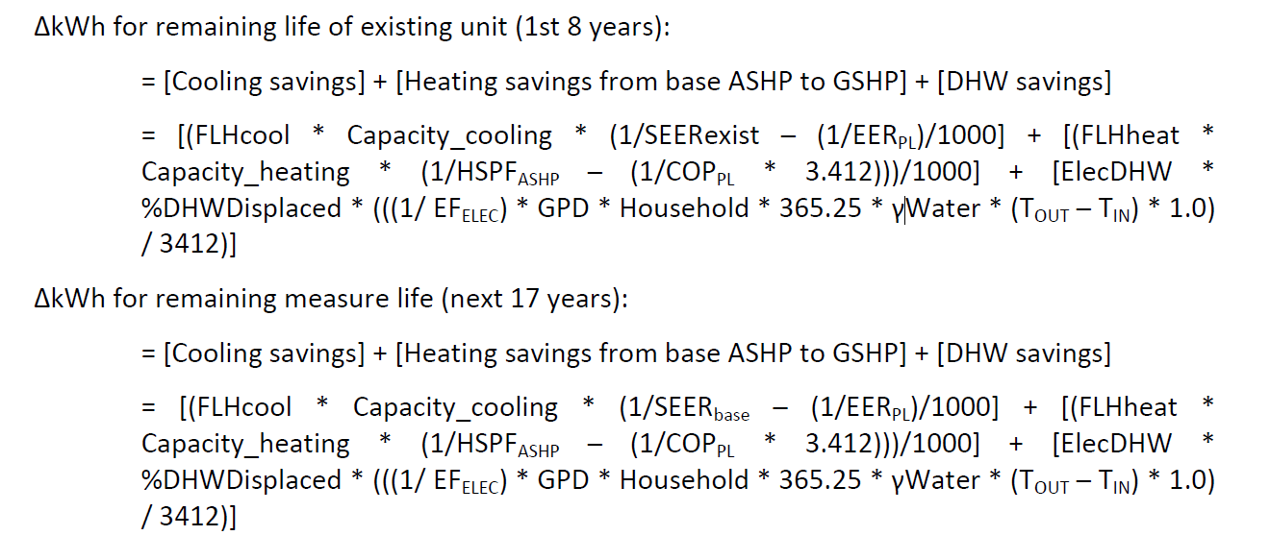
 |  |  |  | 1st 8 Years
 |  |  |  | 1679.4811642 | kWh Cooling Savings
 |  |  |  | 12961.111115 | kWh Heating Savings
 |  |  |  | 0 | kWh hot water savings (Calculation Not Used)
 |  |  |  | 14640.592279 | Total Savings

 |  |  |  | Next 17 Years
 |  |  |  | 376.26023392 | kWh Cooling Savings
 |  |  |  | 5581.8482023 | kWh Heating Savings
 |  |  |  | 0 | kWh hot water savings (Calculation Not Used)
 |  |  |  | 5958.1084362 | Total Savings
 |  | Savings, Existing Electric Resistance and Split System A/C:
 |  | Unit kWh Savings per Year: Based on algorithm above |  | 14640.592279 | kWh savings for years 1 through 8
 |  |  |  | 5958.11 | kWh savings for next 17 years
 |  | Unit peak kW Savings |  | 2.13 | kW savings for years 1 through 8
 |  |  |  | 0.46 | kW savings for next 17 years

 | Where: |  |  | Value
 |  | Capacity_cooling= | Cooling Capacity of GSHP (Btu/hr) = Actual (where 1 ton = 12,000 Btu/hr) | 49,000 | Btu/hr
 |  | SEERbase = | SEER Efficinecy of new replacement baseline unit = 14 for ASHP | 14.00
 |  | SEERexist = | SEER Efficinecy of existing cooling unit = acutal if known or ASHP at 9.12, Central AC at 8.6, or No central at 13 | 8.60
 |  | EERPL = | Part load EER of GSHP = Actual Installed | 17.1
 |  | ElecHeat= | 1 if existing builing is electrically heated or 0 if existing building not electrically heated | - | Not used
 |  | FLHheat = | Equivalent Full Load Heating Hours | 2,434
 |  | FLHcool = | Full Load Cooling Hours | 593
 |  | Capacity_heat= | Heating capacity of GSHP = Actual (where 1 ton = 12,000 Btu/hr) | 49000 | Btu/hr
 |  | HSPFbase= | Heating system Performance Factor (HSPF) of new replacement of new replacement baseline heating system = 8.2 | 8.2
 |  | HSPFexist= | Heating system Performance Factor (HSPF) of existing heating system = acutal if known or default of ASHP at 5.44 and Electric Resistance at 3.41 | 5.44 | BHE uses ASHP as existing tech
 |  | COPPL = | Part load Coeffecient of Performance (COP) of efficient unit = Actual Installed | 3.9
 |  | 3.412 = | Constant to convert the COP of the unit to the HSPF | 3.412
 |  | EERbase= | EER Efficiency of new replacement unit = ASHP at 11.8, Central AC at 11, or No Central AC at 11 | 11.800
 |  | EERexist= | EER of existing cooling unit = Acutal if known or ASHP at 8.55, Central AC at 8.15, or No central AC at 11 | 8.150
 |  | EERFL = | Actual or (-0.02 x (EERpl x 1.02)^2) + (1.12 x (EERpl x 1.02)) | 13.5
 |  | CF= | Summer system peak Coincidence Factor for cooling = 97% | 90.0%

